Gantt
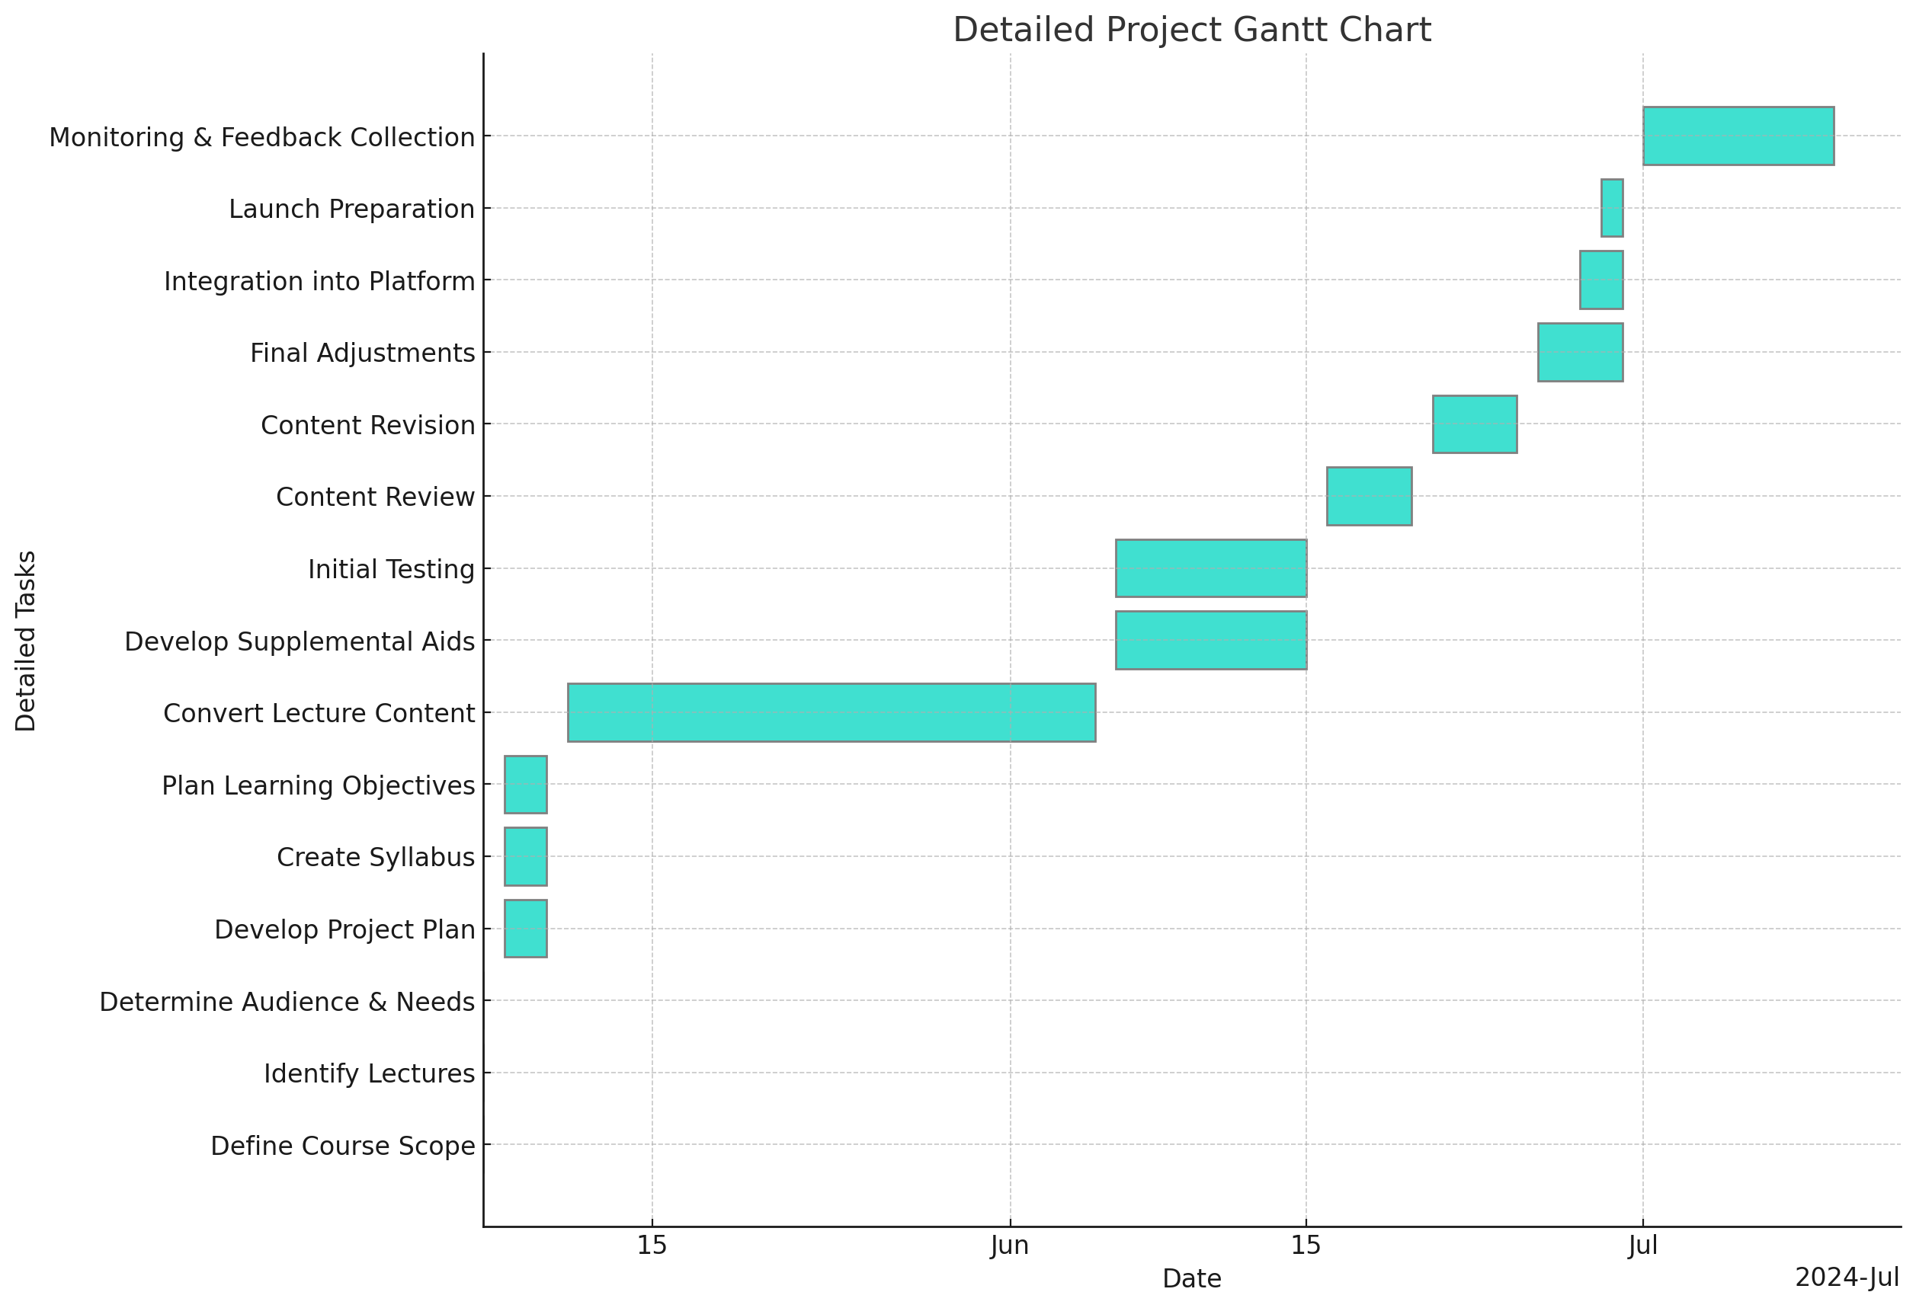

Task | Start Date | End Date | Duration (Days)
Define Course Scope | 2024-05-07 | 2024-05-07 | 1
Identify Lectures | 2024-05-07 | 2024-05-07 | 1
Determine Audience & Needs | 2024-05-07 | 2024-05-07 | 1
Develop Project Plan | 2024-05-08 | 2024-05-10 | 3
Create Syllabus | 2024-05-08 | 2024-05-10 | 3
Plan Learning Objectives | 2024-05-08 | 2024-05-10 | 3
Convert Lecture Content | 2024-05-11 | 2024-06-05 | 26
Develop Supplemental Aids | 2024-06-06 | 2024-06-15 | 10
Initial Testing | 2024-06-06 | 2024-06-15 | 10
Content Review | 2024-06-16 | 2024-06-20 | 5
Content Revision | 2024-06-21 | 2024-06-25 | 5
Final Adjustments | 2024-06-26 | 2024-06-30 | 5
Integration into Platform | 2024-06-28 | 2024-06-30 | 3
Launch Preparation | 2024-06-29 | 2024-06-30 | 2
Monitoring & Feedback Collection | 2024-07-01 | 2024-07-10 | 10

